Method
Turbine Blade Strike Analysis
Release 200316

The TBSA model determines the fraction of a population of fish that are killed (by blade strike) passing through a hydroelectric project.
A normally distributed population of fish described by its number, mean length, and standard deviation of length is routed through hazards at the project.
Fish can be subjected up to 20 different hazards (routes) including 3 types of turbines (Francis, Kaplan and propeller) and bypasses.
Mortality probabilities can be prescribed to bypasses, which are used to represent spillways, fishways, and other water intakes.
Monte Carlo simulations (i.e., probability simulations) are performed to determine the percentage subjected to blade strike or bypass mortality.
Blade strike probabilities are based on turbine information (entered on Route Data tab) and calculated using methods outlined in Franke et al. (1997).
Blade strike analyses are run from, and temporarily stored on, the Simulation tab using the equations shown below.
Simulation results can be archived and permanently saved by exporting the Archive to another Excel (macro free) file.

User input on Route Data and Simulation tabs is indicated by a blue font (see INSTRUCTIONS below).

TECHNICAL BACKGROUND: TURBINE BLADE STRIKE EQUATIONS

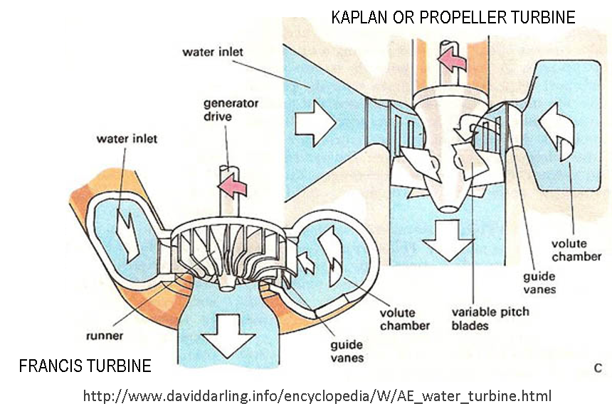
Note: a Kaplan and a propeller turbine have the same general geometry; however, the blades on a Kaplan turbine are adjustable, facilitating a high efficiency over a larger operating range (i.e., wider range of flow). Due to the adjustability of Kaplan blades, the equations for calculating angles to flow (α and β) in the two turbine types are different (as shown to the left).
Francis Turbine Blade Strike equations (Franke et al., 1997):

Kaplan Turbine Blade Strike equations (Franke et al., 1997):

Propeller Turbine Blade Strike equations (Franke et al., 1997):

 |  |  |  |  | Franke et al. (1997) "Development of environmentally advanced hydropower turbine system design concepts"

TECHNICAL BACKGROUND: SIMULATED FISH POPULATIONS
Populations up to 10,000 fish may be set for each
simulation (i.e., run). Lengths of fish in the simulated population are normally distributed and defined by a user-specified mean length and standard deviation. The randomly generated length of each fish in the simulation is reported
in column B (column 2) on the
Simulation tab.
Fish Length
Normally Distributed

Fish length, or total length, is a straight-line measure from the tip of the snout to the tip of the longer lobe of the caudal fin.

INSTRUCTIONS: RUNNING A SIMULATION AND USE OF THE COMMAND BUTTONS
1. [ Route Data tab ] Enter information for up to 20 turbines or bypasses. Data required depends upon route type. User input is identified by blue font.
2. [ Simulation tab ] Enter the fish population information (in blue) under SIMULATION INPUT PARAMETERS. Population size must be 10,000 fish or less.
3. [ Simulation tab ] Click the RUN SIMULATION command button. The simulation results will populate the table below row 11. Run time depends on population size.
4. [ Simulation tab ] Temporarily store the simulation results by clicking the ARCHIVE RUN command button. This will move the values to a new tab [ .N000 L00 S00].
5. [ Simulation tab ] Permanently save all currently archived simulations by clicking the EXPORT ARCHIVES command button. You will be prompted for a file name.
6. [ Simulation tab ] Optional. You may delete all temporarily saved archives (i.e., all ".N000 L00 S00" tabs) by clicking the CLEAR ARCHIVES command button.
7. [ Simulation tab ] Optional. You may clear the current results from the Simulation tab by clicking the RESET RUN RESULTS command button.
Note: Archived runs collect simulation results and route data for storage in a new tab (i.e., worksheet). Archived tabs are named in the format: .N[# of fish] L[mean length] S[survival %]. These archives remove all formulae and store the results as values. Users may add plots, filters, conditional formatting and other data tools to the archived tabs. Exporting archives to a new file (i.e., workbook) saves only the archived tabs; VBA code is not saved with the exported archives (note: Archived runs are saved with the *.XLSX extension).

GLOSSARY OF TERMS USED IN THIS MODEL
Term |  | Parameter | Units | Description
Alpha-a |  | aa | (rad) | Angle to tangential of absolute flow upstream of runner (for Axial flow runners only)
Alpha-t |  | at | (rad) | Angle to tangential of absolute flow upstream of runner (for Francis runners only)
Beta |  | b | (rad) | Relative flow angle at turbine discharge; used in strike equations
Blades |  | N | (#) | Number of blades on the turbine runner
Calc. Type |  | - | ( - ) | Parameter used by VBA code in calculations (0 = Bypass, 1=Francis, 2=Kaplan, 3=propeller)
Correlation Coeff. |  | l | ( - ) | Actual mortality correlation; influenced by many factors including unit type and fish species
Discharge at Opt. Eff. |  | Qopt/Q | (%) | Ratio of turbine discharge at best efficiency to hydraulic capacity
Discharge Coefficient |  | Qwd | ( - ) | Non-dimensional discharge coefficient term incorporated into strike equations
Energy Coefficient |  | Ewd | ( - ) | Non-dimensional energy coefficient term incorporated into strike equations
Est. Mortality Mort. |  | PB | ( - ) | Estimate of the mortality rate through bypass (e.g., downstream fishway, spillway, water intake)
Fish ID |  | - | (#) | An index used to reference individual simulated fish and the associated strike/passage results
Fish Length |  | - | (in) | Length of individual fish in inches (no distinction is made between tail and fork length)
Fish Length |  | - | (ft) | Length of individual fish in feet (no distinction is made between tail and fork length)
Individual Results |  | - | ( - ) | Individual results in text and symbolic forms (check is pass, x is blade strike, exclamation is bypass death)
Maximum Radius |  | R | (ft) | Max. radius of runner typ. of Kaplan; measured from axis to blade tip; calculated from Runner Dia., D
Mean Length |  | m | (in) | Mean length of the normally distributed fish population (no distinction is made between tail and fork length)
Mortality Seed |  | - | ( - ) | Evenly distributed random number from 0 to 1; compared to strike/bypass probabilities to est. mortality
Net Head |  | H | (ft) | Net head on the turbine; HW to TW, less head loss through system
Number of fish |  | nf | (#) | Number of fish in population applied to simulation; code will generate a normally distributed pop.
Prob. Lower Bound |  | - | ( - ) | Lower bound on the cumulative probability of all listed routes (note: prob. of all routes must add to 1.0)
Radius at mid-blade |  | r | (ft) | Radius at mid-blade of a Kaplan runner; code assumes r = 0.75 R based on Franke et al. (1997)
Route Name |  | - | ( - ) | A name selected by the user to help identify pathway; Route Name will not effect simulations
Route Seed |  | - | ( - ) | An evenly distributed random number from 0 to 1 (i.e., probability) used to determine the route taken by a fish
Route Selection |  | - | (#) | The path (or hazard) selected by the individual fish based on the route seed
Route Selection Prob. |  | - | ( - ) | Probability that fish will select this route; typ. based on flow distribution and/or fish behavior
Route Type |  | - | ( - ) | Route type; selected by user from drop-down list
Runner Dia. at Discharge |  | D2 | (ft) | Diameter at the outlet of the runner (typ. before the draft tube; see Figure 4.3.2-3 in Franke et al., 1997)
Runner Dia. at Inlet |  | D1 | (ft) | Diameter at the intake of the runner (typ. beyond the guide vanes; see Figure 4.3.2-3 in Franke et al., 1997)
Runner Diameter |  | D | (ft) | Nominal diameter of runner; maximum radius is assumed to be 1/2 of diameter
Runner Height |  | B | (ft) | Runner height at inlet (see Figure 4.3.2-3 in Franke et al., 1997 for clarification)
SD in length |  | s | (in) | Standard deviation of the length of fish in the population
Speed |  | w | (rpm) | Runner revolutions per minute (model automatically converts to radians per second)
Strike Prob. |  | - | ( - ) | Blade strike probability; compared with mortality seed to determine individual fish mortality
Swirl Coefficient |  | x | ( - ) | Ratio between Q with no exit swirl and QOPT (recommended x=1.1 for Francis turbines)
Turbine Discharge |  | Q | (cfs) | Turbine discharge
Turbine Efficiency |  | h | ( - ) | Ratio of output shaft power to input fluid power; typ. from vendor curves or index testing

 | THE SOFTWARE IS PROVIDED "AS IS", WITHOUT WARRANTY OF ANY KIND, EXPRESSED OR IMPLIED, INCLUDING BUT NOT LIMITED TO
 | THE WARRANTIES OF MERCHANTABILITY, FITNESS FOR A PARTICULAR PURPOSE AND NONINFRINGEMENT. IN NO EVENT SHALL
 | THE AUTHORS OR COPYRIGHT HOLDERS BE LIABLE FOR ANY CLAIM, DAMAGES OR OTHER LIABILITY, WHETHER IN AN ACTION OF CONTRACT,
 | TORT OR OTHERWISE, ARISING FROM, OUT OF OR IN CONNECTION WITH THE SOFTWARE OR THE USE OR OTHER DEALINGS IN THE SOFTWARE.

